Sheet1
 |  | Document No. | Issue No. | Issue Date |  |  | Review and Replace Date |  |  | Authorised By
 |  | GFF489MC | 1 | 28.01.2025 |  |  | New Issue |  |  | Magda Shah
 |  | Document Title | GAZEBO Chilli Con Carne with Rice 350g
Document amendments reason for change |  | New launch |  | Page 1 of 1 |  | Previous Issue Date |  | New Issue |  | Uncontrolled copy unless signed original

FBCCR-R8T | GAZEBO CUISINE |  | Chilli Con Carne with Rice 350g
STEP 1
 |  |  |  |  | 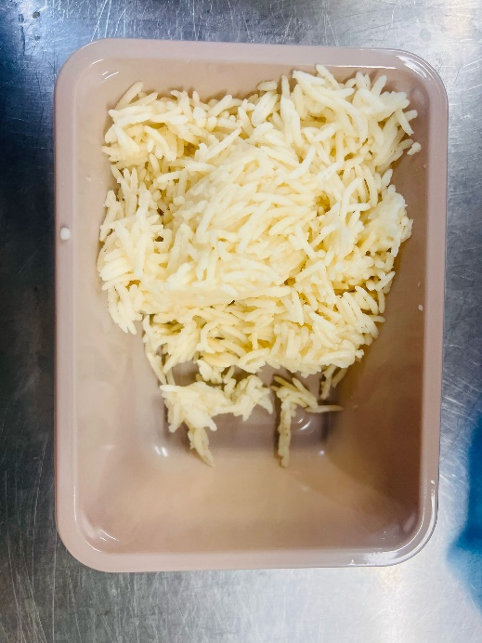

Tray: EVOLVE CPET 2171-1F FROST (PKRHP001-14) |  |  |  |  | Steamed Rice (GFF420R): 180g
Film: K Peel 3G 25µm (275mmX1000lm) (PKKMP001-04)
STEP 3 |  |  |  |  | STEP 4
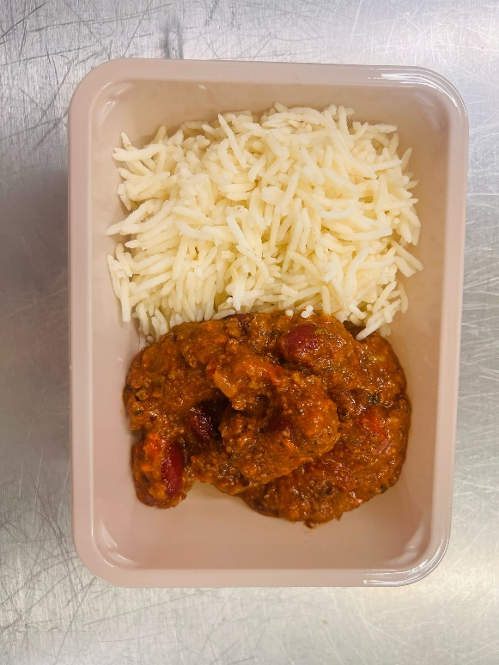 |  |  |  |  | 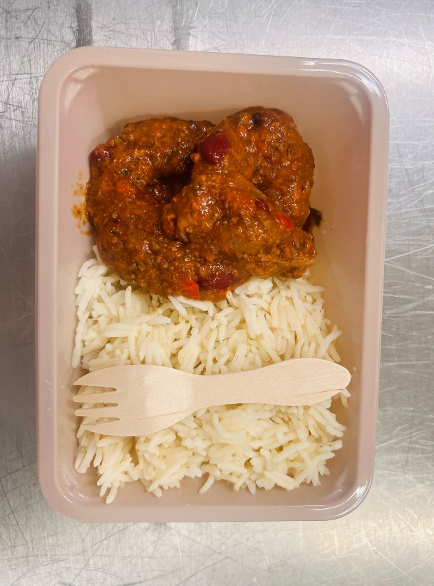

Beef Chilli Con Carne (GFF419R): 170g |  |  |  |  | Add SPORK inside the tray before sealing |  |  |  | Total Weight: 350g
ALLERGY ALERT: Barley

